Sheet1
No | Market | Type | Part Number | Vehicle | Picture | Url
1 |  | Oil Pan | BMP02A | BMW 318i Base L4 1.8L 1991 BMW 318is Base L4 1.8L 1991 | 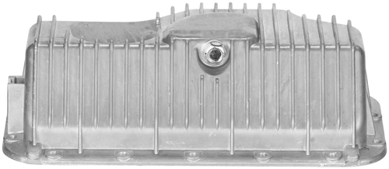 | https://ecat.spectrapremium.com/en/parts/BMP02A
2 |  | Oil Pan | BMP03A | BMW 325xi Base L6 2.5L 2001-2005 BMW 330xi Base L6 3.0L 2001-2005 BMW X3 2.5i L6 2.5L 2004-2006 BMW X3 3.0i L6 3.0L 2004-2006 | 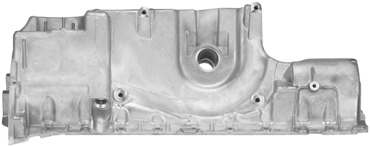 | https://ecat.spectrapremium.com/en/parts/BMP03A
3 |  | Oil Pan | BMP05A | Mini Cooper Base L4 1.6L 2002-2008 Mini Cooper S L4 1.6L 2002-2008 | 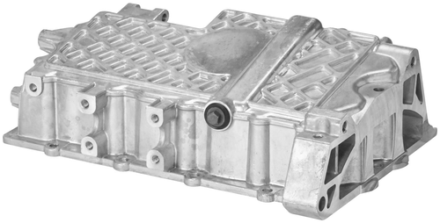 | https://ecat.spectrapremium.com/en/parts/BMP05A
4 |  | Oil Pan | BMP06A | Mini Cooper Base L4 1.6L 2007-2013 Mini Cooper Chili L4 1.6L 2016 Mini Cooper Clubman L4 1.6L 2008-2014 Mini Cooper Countryman Base L4 1.6L 2011-2016 Mini Cooper Countryman John Cooper Works ALL4 L4 1.6L 2013-2016 Mini Cooper Countryman S ALL4 L4 1.6L 2011-2016 Mini Cooper Countryman S L4 1.6L 2011-2016 Mini Cooper Coupe John Cooper Works L4 1.6L 2012-2015 Mini Cooper Coupe L4 1.6L 2012-2015 Mini Cooper Coupe S L4 1.6L 2012-2015 Mini Cooper Hot Chili L4 1.6L 2016 Mini Cooper John Cooper Works Clubman L4 1.6L 2009-2014 Mini Cooper John Cooper Works GP L4 1.6L 2013 Mini Cooper John Cooper Works L4 1.6L 2009-2016 Mini Cooper Paceman Base L4 1.6L 2013-2016 Mini Cooper Paceman John Cooper Works ALL4 L4 1.6L 2013-2016 Mini Cooper Paceman S ALL4 L4 1.6L 2013-2016 Mini Cooper Paceman S L4 1.6L 2013-2016 Mini Cooper Pepper L4 1.6L 2016 Mini Cooper Roadster John Cooper Works L4 1.6L 2012-2015 Mini Cooper Roadster L4 1.6L 2012-2015 Mini Cooper Roadster S L4 1.6L 2012-2015 Mini Cooper S Clubman L4 1.6L 2008-2014 Mini Cooper S HighGate L4 1.6L 2016 Mini Cooper S L4 1.6L 2007-2010 | 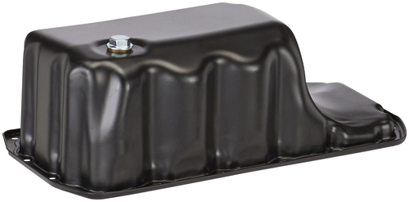 | https://ecat.spectrapremium.com/en/parts/BMP06A
5 |  | Oil Pan | BMP08A | BMW X5 4.4i Formula 1 V8 4.4L 2003 BMW X5 4.4i Lujo V8 4.4L 2000-2003 BMW X5 4.4i Top Line V8 4.4L 2000-2003 BMW X5 4.4i V8 4.4L 2000-2003 BMW X5 4.6is V8 4.6L 2002-2003 | 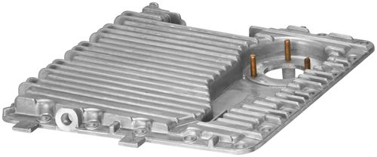 | https://ecat.spectrapremium.com/en/parts/BMP08A
6 |  | Oil Pan | BMP09A | BMW 128i Base L6 3.0L 2008-2013 BMW 323i Base L6 2.5L 2007-2011 BMW 328i Base L6 3.0L 2007-2013 BMW Z4 3.0si L6 3.0L 2007-2010 BMW Z4 Coupe 3.0si L6 3.0L 2007-2008 BMW Z4 Roadster 3.0i L6 3.0L 2007-2008 BMW Z4 Roadster 3.0si L6 3.0L 2007-2008 BMW Z4 sDrive30i L6 3.0L 2009-2011 | 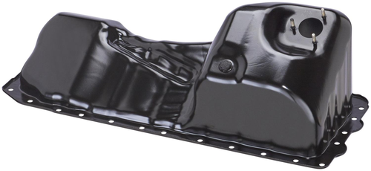 | https://ecat.spectrapremium.com/en/parts/BMP09A
7 |  | Oil Pan | BMP10A | BMW 320i Base L6 2.2L 2001-2004 BMW 323Ci Base L6 2.5L 2000 BMW 323i Base L6 2.5L 1999-2000 BMW 325Ci Base L6 2.5L 2001-2006 BMW 325i Base L6 2.5L 2001-2005 BMW 328Ci Base L6 2.8L 2000 BMW 328i Base L6 2.8L 1999-2000 BMW 330Ci Base L6 3.0L 2001-2006 BMW 330Ci M L6 3.0L 2005 BMW 330i Base L6 3.0L 2001-2005 BMW 330i M L6 3.0L 2005 BMW Z4 2.5i L6 2.5L 2003-2005 BMW Z4 3.0i L6 3.0L 2003-2005 | 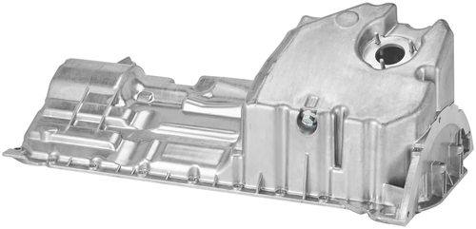 | https://ecat.spectrapremium.com/en/parts/BMP10A
8 |  | Oil Pan | BMP11A | BMW 525i Base L6 2.5L 2001-2005 BMW 528i Base L6 2.8L 1999-2000 BMW 530i Base L6 3.0L 2001-2005 | 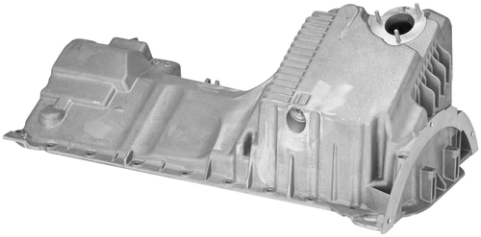 | https://ecat.spectrapremium.com/en/parts/BMP11A
9 |  | Oil Pan | BMP13A | BMW 128i Base L6 3.0L 2008-2013 BMW 323i Base L6 2.5L 2009-2011 BMW 328i Base L6 3.0L 2007-2013 BMW 528i Base L6 3.0L 2008-2010 BMW 530xi Base L6 3.0L 2006-2007 BMW 535i xDrive Base L6 3.0L 2009-2010 BMW Z4 3.0si L6 3.0L 2007-2010 BMW Z4 Coupe 3.0si L6 3.0L 2006-2008 BMW Z4 Roadster 3.0i L6 3.0L 2006-2008 BMW Z4 Roadster 3.0si L6 3.0L 2006-2008 BMW Z4 sDrive30i L6 3.0L 2009-2011 | 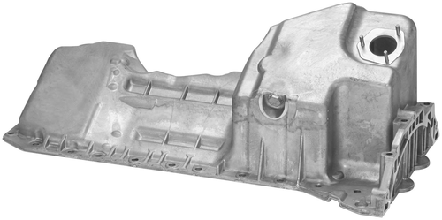 | https://ecat.spectrapremium.com/en/parts/BMP13A
10 |  | Oil Pan | BMP14A | BMW 545i Base V8 4.4L 2004-2005 BMW 550i Base V8 4.8L 2006-2010 BMW 645Ci Base V8 4.4L 2004-2005 BMW 650i Base V8 4.8L 2006-2010 BMW 745Li Base V8 4.4L 2002-2005 BMW 745i Base V8 4.4L 2002-2005 BMW 750i Base V8 4.8L 2006-2008 BMW 750i Limited Edition V8 4.8L 2008 BMW 750i Sport Limited Edition V8 4.8L 2008 BMW 750i Sport V8 4.8L 2006-2008 BMW 760Li Base V12 6.0L 2003-2008 BMW 760Li Limited Edition V12 6.0L 2008 BMW 760i Base V12 6.0L 2004-2006 BMW Alpina B7 Base V8 4.4L 2007-2008 | 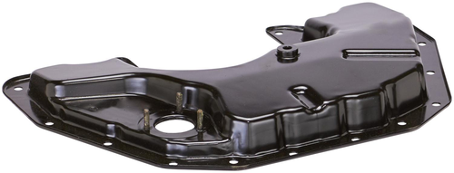 | https://ecat.spectrapremium.com/en/parts/BMP14A

